Alpha Returns (Stage 1)
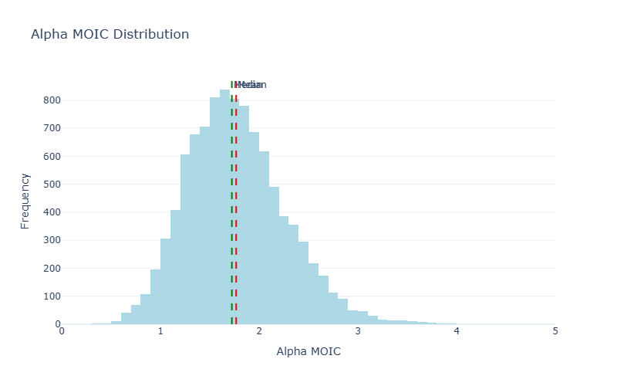
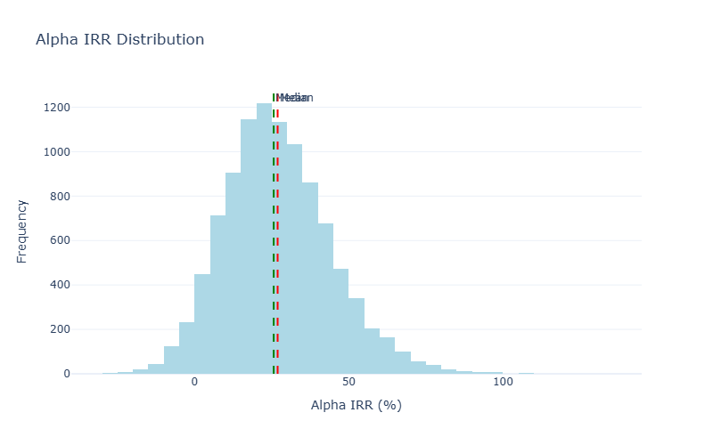
Stage 1: Alpha (Excess Returns)

MOIC Statistics |  | IRR Statistics
Metric | Value | Metric | Value
Mean | 1.77x | Mean | 26.92%
Median | 1.72x | Median | 25.65%
Std Dev | 0.50x | Std Dev | 17.47%
5th Percentile | 1.03x | 5th Percentile | 0.90%
95th Percentile | 2.64x | 95th Percentile | 57.44%

Distribution Charts

Gross Performance (Stage 3)
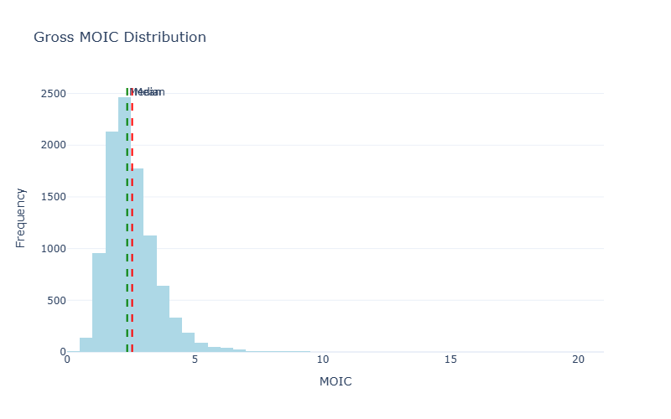
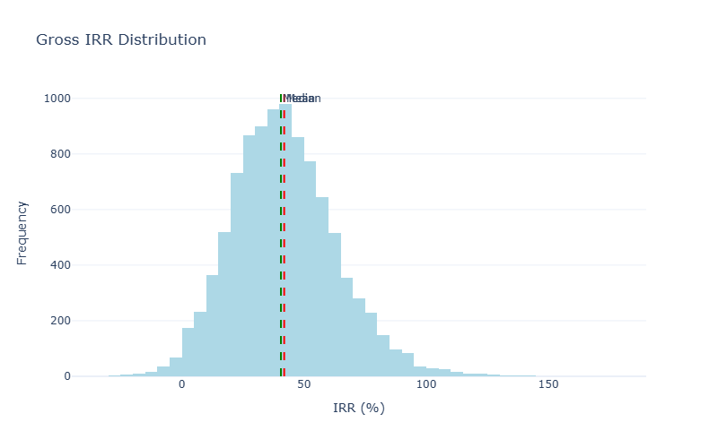
Stage 3: Gross Performance (Alpha × Beta)

Beta Attribution Analysis
Target Beta Return: | 8.73%
Actual Mean Beta Return: | 8.75%
Beta IRR Range (5th-95th): | -22.49% to 39.93%
Investments Analyzed: | 97,763

MOIC Statistics |  | IRR Statistics
Metric | Value | Metric | Value
Mean | 2.55x | Mean | 41.89%
Median | 2.35x | Median | 40.56%
Std Dev | 1.08x | Std Dev | 21.61%
5th Percentile | 1.26x | 5th Percentile | 9.34%
95th Percentile | 4.38x | 95th Percentile | 79.26%

Distribution Charts

Net Performance (Stage 4)
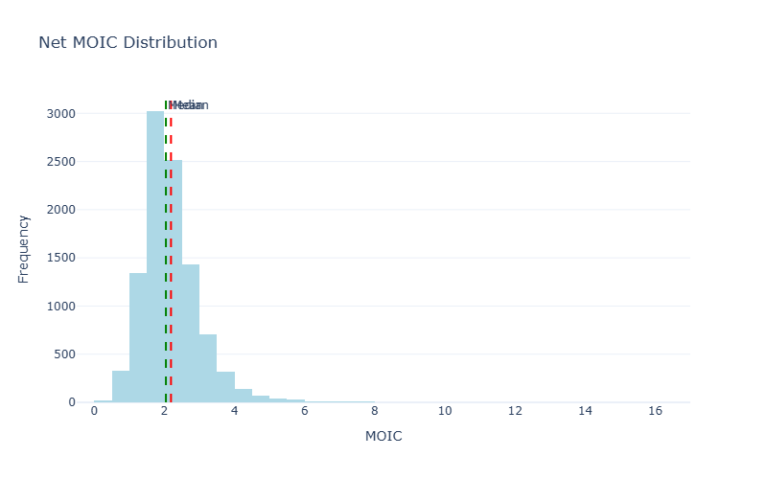
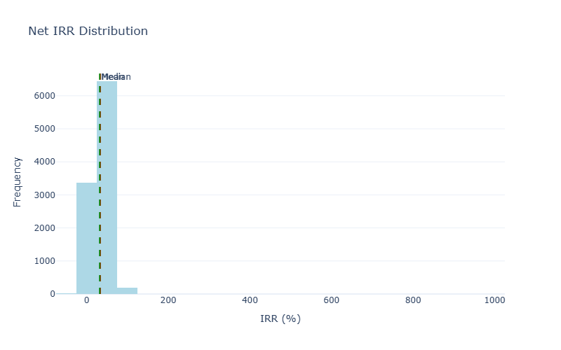
Stage 4: Net Performance (After Costs)

Cost Breakdown (Averages)
Avg Gross Profit: | $14,945,140
Avg Management Fees: | $1,387,316
Avg Carry: | $1,963,837
Avg Leverage Cost: | $161,629

MOIC Statistics |  | IRR Statistics
Metric | Value | Metric | Value
Mean | 2.19x | Mean | 33.03%
Median | 2.04x | Median | 32.15%
Std Dev | 0.88x | Std Dev | 20.95%
5th Percentile | 1.09x | 5th Percentile | 3.32%
95th Percentile | 3.67x | 95th Percentile | 64.50%

Distribution Charts

